Summary
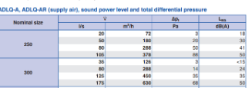
 | PERHITUNGAN KEBUTUHAN AIR HANDLING UNIT (AHU) PADA AKOMODASI KAPAL

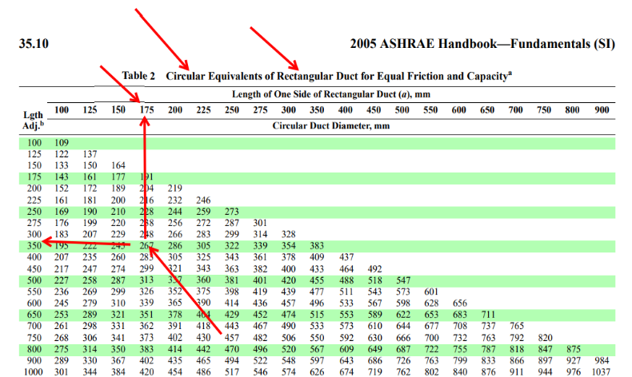
 | Halaman :
 | COOLING SUMMARY

SPACE | DECK | SIDE | FRAMES | Volume (ft3) | Heat Area (ft2) | BTU/HR |  |  | SHF | OUTSIDE AIR BASED ON * |  |  | CFM | R/C TOTAL AIR | Air Quantity (l/s) | Friction Loss (Pa/mm) | Duct Diameter (mm) | Rect. Duct Size (mm) | Uk. Diffuser | l/s | Jumlah Diffuser
 |  |  |  |  |  | SENS. | LATENT | TOTAL |  | R/C | PERS. | EXH. |  |  |  |  |  | L x W
Galley | Main Deck | P | 0 to 06 | 744.28 | 674.10 | 6295.4150648 | 790 | 7085.4150648 | 0.889 | 24.809459617 | 15 | 15 | 234.00 | 24.809459617 | 110.45
Mess Room |  | P | 04 to 11 | 1630.41 | 1185.91 | 12719.504799 | 5000 | 17719.504799 | 0.71782507148 | 54.346968987 | 150 | 150 | 472 | 150 | 222.784
Quarter Master & Steward Room |  | P | 11 to 16 | 1050.61 | 777.27 | 3687.0942104 | 1000 | 4687.0942104 | 0.787 | 35.020410833 | 30 | 30 | 137.00 | 35.020410833 | 64.66
Boys (2p) Room |  | P | 15 to 20 | 1109.76 | 666.82 | 3519.3368963 | 1000 | 4519.3368963 | 0.779 | 36.99214825 | 30 | 30 | 131.00 | 36.99214825 | 61.83
Boatswain & Seaman Room |  | P | 20 to 25 | 1123.01 | 806.01 | 4944.923781 | 1000 | 5944.923781 | 0.832 | 37.433582 | 30 | 30 | 184.00 | 37.433582 | 86.85
Oiler (2p) Room |  | S | 11 to 16 | 1085.93 | 786.15 | 4285.9023459 | 1000 | 5285.9023459 | 0.811 | 36.1975675 | 30 | 30 | 159.00 | 36.1975675 | 75.05
Pumpman (2p) Room |  | S | 16 to 20 | 1112.41 | 798.53 | 3797.0892129 | 1000 | 4797.0892129 | 0.792 | 37.080435 | 30 | 30 | 141.00 | 37.080435 | 66.55
Fireman (2p) Room |  | S | 20 to 25 | 1123.01 | 802.29 | 4914.6041997 | 1000 | 5914.6041997 | 0.831 | 37.433582 | 30 | 30 | 183.00 | 37.433582 | 86.38
Pantry | Poop Deck | P | 06 to 11 | 867.05 | 664.23 | 4077.0550193 | 790 | 4867.0550193 | 0.838 | 28.90155048 | 15 | 15 | 152.00 | 28.90155048 | 71.74
Mess Room |  | P | 11 to 16 | 1008.59 | 769.39 | 5347.107181 | 4000 | 9347.107181 | 0.57206011202 | 33.6195944 | 120 | 120 | 199 | 120 | 93.928
Chief Cook Room |  | P | 20 to 24 | 867.05 | 662.88 | 2171.0294852 | 500 | 2671.0294852 | 0.81280625962 | 28.90155048 | 15 | 15 | 81 | 28.90155048 | 38.23
Musholla |  | S | 11 to 16 | 867.05 | 732.76 | 2473.1103543 | 1000 | 3473.1103543 | 0.712 | 28.90155048 | 30 | 30 | 92.00 | 30 | 43.42
Electrician Room |  | S | 16 to 20 | 867.05 | 728.11 | 1399.0661458 | 500 | 1899.0661458 | 0.737 | 28.90155048 | 15 | 15 | 52.00 | 28.90155048 | 24.54
Second Engineer Room |  | S | 20 to 25 | 867.05 | 693.69 | 2154.4182214 | 500 | 2654.4182214 | 0.812 | 28.90155048 | 15 | 15 | 80.00 | 28.90155048 | 37.76
Smoking Room |  | C | 20 to 25 | 1186.57 | 879.96 | 4612.8964124 | 2000 | 6612.8964124 | 0.698 | 39.552464 | 60 | 60 | 171.00 | 60 | 80.71
Second Officer Room | Boat Deck | P | 12 to 18 | 1156.06 | 824.14 | 3903.9394832 | 500 | 4403.9394832 | 0.886 | 38.53540064 | 15 | 15 | 145.00 | 38.53540064 | 68.44
Chief Engineer Room |  | P | 18 to 25 | 1149.62 | 890.73 | 5332.9627309 | 500 | 5832.9627309 | 0.91428026835 | 38.320687264 | 15 | 15 | 198 | 38.320687264 | 93.456
Chief Officer & Engineer Office |  | P | 19 to 25 | 1504.41 | 1018.98 | 5244.8819431 | 1000 | 6244.8819431 | 0.840 | 50.146874 | 30 | 30 | 195.00 | 50.146874 | 92.04
Medical Room |  | S | 12 to 19 | 1034.01 | 824.66 | 5548.1093689 | 1000 | 6548.1093689 | 0.847 | 34.4671472 | 30 | 30 | 206.00 | 34.4671472 | 97.23
Chief Officer Room |  | S | 128to 25 | 1271.67 | 912.68 | 5169.1570377 | 500 | 5669.1570377 | 0.912 | 42.388940704 | 15 | 15 | 192.00 | 42.388940704 | 90.62
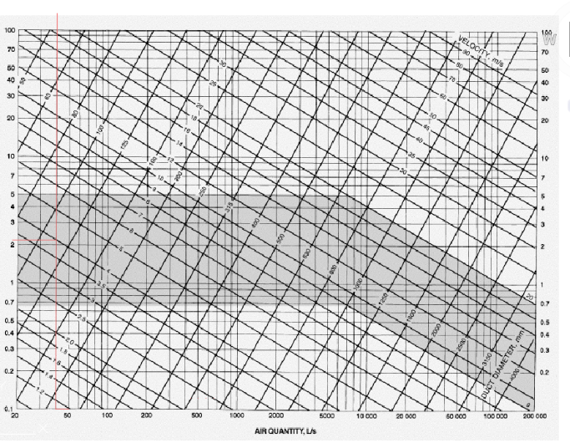
Library | Bridge Deck | P | 15 to 18 | 650.28 | 476.63 | 3269.3285159 | 1000 | 4269.3285159 | 0.766 | 21.67616286 | 30 | 30 | 122.00 | 30 | 57.58
Radio Operator Room |  | P | 18 to 25 | 1135.17 | 758.12 | 3188.826104 | 500 | 3688.826104 | 0.86445552436 | 37.838994756 | 15 | 15 | 119 | 37.838994756 | 56.168
Meeting Room |  | S | 19 to 25 | 902.64 | 705.65 | 4453.5467464 | 3000 | 7453.5467464 | 0.598 | 30.0881244 | 90 | 90 | 165.00 | 90 | 77.88
Master Office |  | S | 19 to 25 | 965.83 | 719.95 | 3521.671911 | 500 | 4021.671911 | 0.876 | 32.194293108 | 15 | 15 | 131.00 | 32.194293108 | 61.83
Master Room |  | C | 15 to 25 | 1593.23 | 1198.98 | 6489.7380786 | 500 | 6989.7380786 | 0.928 | 53.107658448 | 15 | 15 | 241.00 | 53.107658448 | 113.75
Navigation Room | Navigation Deck | C | 15 to 25 | 7171.31 | 2755.42 | 34930.508459 | 2000 | 36930.508459 | 0.946 | 239.04379171 | 60 | 60 | 1294.00 | 239.04379171 | 610.77

 |  |  |  |  |  | 147451.22371 | 32080 | 179531.22371 |  |  |  |  | 5476.00
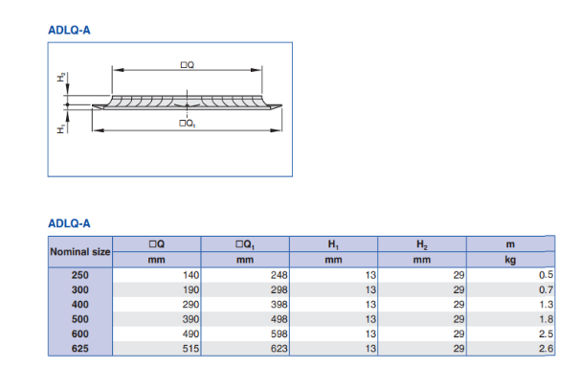
 | Room | Air Out
 | Main Deck | 1641.00 |  |  | 2802.00
 | Poop Deck | 827.00 |  |  | 3762.00
 | Boat Deck | 730.00
 | Bridge Deck | 778.00
 | Navigation Deck | 1294.00
 | Total | 5270.00 | CFM = | 2487.44 | l/s

Main Deck
1 | 2 | 3 | 4 | 5 | 6 | 7 | 8 | 9 |  | 10 | 11 | 12 |  |  | 1 | 2 | 3 | 4 | 5 | 6 | 7 | 8 | 9 |  | 10 | 11 | 12
BRANCH SECT. NO. | AIR QUANTITY Q (cfm) | EQUIV. DUCT LENGTH L (ft) | PRESSURE READING (in.wg) |  | TAKE OFF TO TAKE OFF S.P. (in.wg) | S.P. AHEAD OF TAKE OFF (in.wg) | AIR TERMINAL PRESS. (in.wg) | DUCT SIZE |  | VELOCITY V (fpm) | Loses Branch to Terminal (in.wg) | DUCT Terminal Size |  |  | BRANCH SECT. NO. | AIR QUANTITY Q (cfm) | EQUIV. DUCT LENGTH L (ft) | PRESSURE READING (in.wg) |  | TAKE OFF TO TAKE OFF S.P. (in.wg) | S.P. AHEAD OF TAKE OFF (in.wg) | AIR TERMINAL PRESS. (in.wg) | DUCT SIZE (in.) |  | VELOCITY V (fpm) | Loses Branch to Terminal (in.wg) | DUCT Terminal Size
 |  |  | Initial | Selected |  |  |  | (in.) | (m) |  |  | (in.) | (mm) |  |  |  |  | Initial | Selected |  |  |  | (in.) | (m) |  |  | (in.) | (mm)
MD (B-01) | 1641.00 | 20.36544 |  |  | 1.25 | 1.942 | 1.5 | 8 | 0.2032 | 4500 |  |  |  |  | MD (B-01) | 1641.00 | 20.36544 |  |  | 1.25 | 1.942 | 1.5 | 8 | 0.2032 | 4500
 |  |  |  |  | 0.69242496 |  | 1.5 |  |  |  |  |  |  |  |  |  |  |  |  | 0.69242496 |  | 1.5 |  |  |  |  |  |  |  | 1 | m = | 3.28 | ft | Friction Lose | 3.4 | in.wg
MD (01-02) | 843.00 | 7.544 | 1.25 | 0.92 | 0.33 | 1.612 | 1.5 | 7 | 0.1778 | 3200 | 0.34 | 4 | 101.6 |  | MD (01-05) | 798.00 | 2.296 | 1.25 | 1.5 | -0.25 | 2.192 | 1.5 | 6 | 0.1524 | 3900 | 0.32 | 4 | 101.6 |  | 1 | inch | 0.0834 | ft | Pressure Drop | 0.69242496 | in.wg
MD (02-03) | 706.00 | 12.4312 | 0.55 | 0.88 | -0.33 | 1.942 | 1.5 | 7 | 0.1778 | 2600 | 0.7 | 6 | 152.4 |  | MD (05-06) | 667.00 | 9.5776 | 0.92 | 1.1 | -0.18 | 2.372 | 1.5 | 6 | 0.1524 | 3300 | 0.61 | 4 | 101.6 |  | 1 | inch | 0.0254 | m
MD (03-04) | 234.00 | 12.628 | 3.8 | 3 | 0.8 | 1.142 | 1.5 | 5 | 0.127 | 1600 | 0.36 | 5 | 127 |  | MD (06-07) | 483.00 | 38.2832 | 0.26 | 0.3 | -0.04 | 2.412 | 1.5 | 7 | 0.1778 | 1800 | 0.6 | 4 | 101.6 | 4.512 | 1 | inch | 25.4 | mm
 |  |  |  |  |  |  |  |  |  |  |  |  |  |  | MD (07-08) | 300.00 | 9.676 | 0.19 | 0.225 | -0.035 | 2.447 | 1.5 | 6 | 0.1524 | 1460 | 0.35 | 4 | 101.6 | 4.297
 |  |  |  |  |  |  |  |  |  |  |  |  |  |  | MD (08-09) | 159.00 | 10.3648 | 0.12 | 0.15 | -0.03 | 2.477 | 1.5 | 5 | 0.127 | 1100 | 0.47 | 4 | 101.6 | 4.447
 |  |  |  |  |  |  |  |  |  |  |  |  |  |  |  | Maximum S.P. at Section MD (06-07) |  |  |  | 2.412 | + | 1.5 | + |  | 0.6 | = | 4.512
Jalur Kiri |  |  | l/s |  | Urutan Section
Quarter Master & Steward | 137.00 | 843.00 | 64.664 |  | MD (B-01) | 1641.00 |  |  |  |  |  |  |  |  | Jalur Kanan |  |  |  |  | l/s |  |  | Urutan Section
MessRoom | 472 | 706.00 | 222.784 |  | MD (01-02) | 843.00 |  |  |  |  |  |  |  |  | Boys (2p) Room |  | 131.00 | 798.00 |  | 61.832 |  |  | MD (B-01) | 1641.00
GalleyRoom | 234.00 |  | 110.448 |  | MD (01-02) | 706.00 |  |  |  |  |  |  |  |  | Boatswain & Seaman Room |  | 184.00 | 667.00 |  | 86.848 |  |  | MD (01-05) | 798.00
 |  |  |  |  | MD (03-04) | 234.00 |  |  |  |  |  |  |  |  | Fireman (2p) Room |  | 183.00 | 483.00 |  | 86.376 |  |  | MD (05-06) | 667.00
Panjang line |  |  |  |  |  |  |  |  |  |  |  |  |  |  | Pumpman (2p) Room |  | 141.00 | 300.00 |  | 66.552 |  |  | MD (06-07) | 483.00
MD (B-01) | 3.768 | m |  |  |  |  |  |  |  |  |  |  |  |  | Oiler (2p) Room |  | 159.00 |  |  | 75.048 |  |  | MD (07-08) | 300.00
 | 12.35904 | ft |  |  |  |  |  |  |  |  |  |  |  |  |  |  |  |  |  |  |  |  | MD (08-09) | 159.00
MD (01-02) | 2.3 | m |  |  |  |  |  |  |  |  |  |  |  |  | Panjang line
 | 7.544 | ft |  |  |  |  |  |  |  |  |  |  |  |  | MD (01-05) | 0.7 | m
MD (02-03) | 3.79 | m |  |  |  |  |  |  |  |  |  |  |  |  |  | 2.296 | ft
 | 12.4312 | ft |  |  |  |  |  |  |  |  |  |  |  |  | MD (05-06) | 2.92 | m
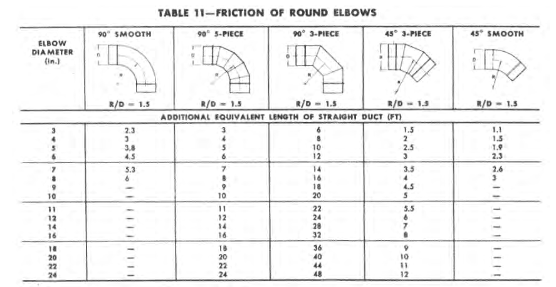
MD (03-04) | 3.85 | m |  |  |  |  |  |  |  |  |  |  |  |  |  | 9.5776 | ft
 | 12.628 | ft |  |  |  |  |  |  |  |  |  |  |  |  | MD (06-07) | 8.44 | m | 2.0336 | 23.7472 | 1.9024
Panjang Terminal = |  | 2 | m |  |  |  |  |  |  |  |  |  |  |  |  | 27.6832 | ft
 |  | 6.56 | ft |  |  |  |  |  |  |  |  |  |  |  | MD (07-08) | 2.95 | m
Tinggi Deck = |  | 2.5 | m |  |  |  |  |  |  |  |  |  |  |  |  | 9.676 | ft
 |  | 8.2 | ft |  |  |  |  |  |  |  |  |  |  |  | MD (08-09) | 3.16 | m
 |  |  |  |  |  |  |  |  |  |  |  |  |  |  |  | 10.3648 | ft
Le/D = | K/f
f = | K/(Le/D) |  |  |  |  |  |  |  |  |  |  |  |  |  | Le Smooth Elbow 7 inch = | 5.3 | ft
f = | 0.02
Le/D = | K/f |  |  |  |  | Sebelum |  |  | DUCT Terminal Size |  |  | Damper |  | Sesudah
Le = | (K*D)/f |  |  |  |  | CFM pipe flow | CFM Excel | eror | Sebelum | Sesudah |  | Deck | Room | CFM pipe flow | CFM Excel | eror
Le = | 96 | Inch |  |  | MD (01-02) | 179 | 137.00 | 31% | 4 | 2.5 | 0.0635 | Yes | No | 143 | 137.00 | 4%
 | 8.0064 | ft |  |  | MD (02-03) | 453 | 472.00 | -4% | 6 | 5 | 0.127 |  | No | 499 | 472.00 | 6%
 |  |  |  |  | MD (03-04) | 274 | 234.00 | 17% | 5 | 3 | 0.0762 |  | No | 253 | 234.00 | 8%
Le/D = | 12 |  |  |  | MD (01-05) | 163 | 131.00 | 24% | 4 | 2.5 | 0.0635 |  | No | 127 | 131.00 | -3%
Le = | Le/D*D |  |  |  | MD (05-06) | 146 | 184.00 | -21% | 4 | 4 | 0.1016 |  | No | 179 | 184.00 | -3%
Le = | 96 | Inch |  |  | MD (06-07) | 130 | 183.00 | -29% | 4 | 4 | 0.1016 |  | No | 160 | 183.00 | -13%
 | 8.0064 | ft |  |  | MD (07-08) | 124 | 141.00 | -12% | 4 | 4 | 0.1016 |  | No | 154 | 141.00 | 9%
 |  |  |  |  | MD (08-09) | 126 | 159.00 | -21% | 4 | 4 | 0.1016 |  | No | 158 | 159.00 | -1%
Le Tee 8 inch | 8.0064 | ft
 | 96
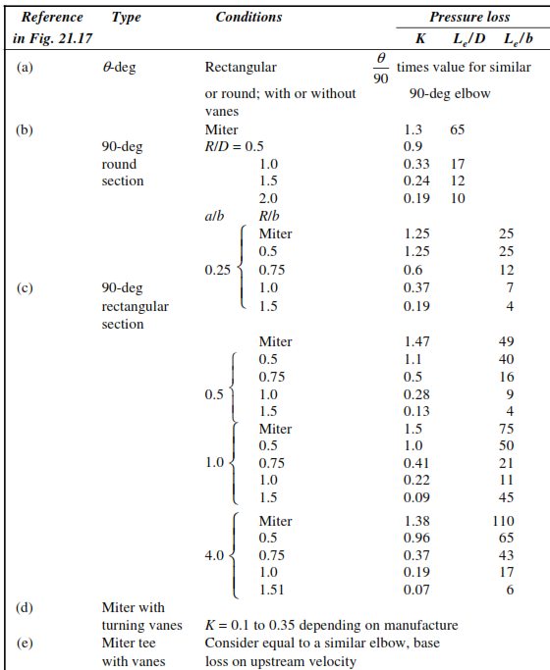
 |  |  |  |  |  |  | Total Panjang Pipa |  |  |  |  | Total Elbow |  | Total Tee
 |  |  |  |  |  |  | Ukuran (inch) | Panjang (ft) | Panjang (m) | Total (m) |  | Ukuran (inch) | Jumlah | Ukuran (inch) | Jumlah
 |  |  |  |  |  |  | 8 | 40.34064 | 12.29897561 | 12.5 |  | 8 | 2 | 8 | 1
 |  |  |  |  |  |  | 5 | 19.188 | 5.85 | 6
 |  |  |  |  |  |  | 4 | 26.24 | 8 | 8
 |  |  |  |  |  |  | 3 | 6.56 | 2 | 2
 |  |  |  |  |  |  | 2.5 | 13.12 | 4 | 4

Ducting & Insulation
HARGA DUCTING & INSULATION

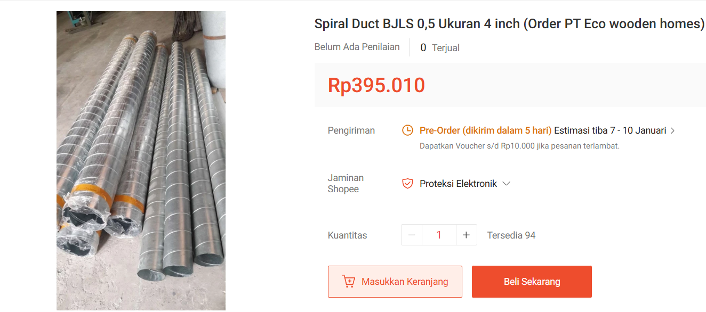
 | DUCTING |  |  |  |  |  |  |  |  |  |  |  |  |  |  |  | ELBOW |  |  |  |  |  |  |  | TEE
 | Ducting (inch) | Panjang (m) | Harga |  |  |  |  | 5. | Ducting 4 inch |  |  |  |  |  |  |  | Ukuran (inch) | Junlah | Harga |  |  |  |  |  | Ukuran (inch) | Junlah | Harga
 | 10 | 25.5 | Rp5,312,500.00 |  |  |  |  |  |  |  |  |  | = | Rp396,000.00 | per 1,2 m |  | 10 | 4 | Rp976,000.00 |  |  |  |  |  | 10 | 2 | Rp550,000.00
 | 8 | 48 | Rp8,400,000.00 |  |  |  |  |  |  |  |  |  | = | Rp330,000.00 | per 1 m |  | 8 | 9 | Rp1,854,000.0 |  |  |  |  |  | 8 | 4 | Rp856,000.00
 | 6 | 39.5 | Rp6,586,625.00 |  |  |  |  |  |  |  |  |  | = | Rp6,105,000.00 | total |  | 6 | 4 | Rp548,000.00 |  |  |  |  |  | 5 | 3 | Rp465,000.00
 | 5 | 32.5 | Rp3,872,916.67 |  |  |  |  |  |  |  |  |  |  |  |  |  | 5 | 1 | Rp137,000.00 |  |  |  |  |  |  | Total | Rp1,871,000.0
 | 4 | 18.5 | Rp6,105,000.00 |  |  |  |  |  |  |  |  |  |  |  |  |  |  | Total | Rp3,515,000.0
 | 3 | 12 | Rp1,800,000.00
 | 2.5 | 16 | Rp1,800,000.00
 | 2 | 2 | Rp1,587,200.00 |  |  |  |  |  |  |  |  |  |  |  |  | 1. | Elbow 10 inch
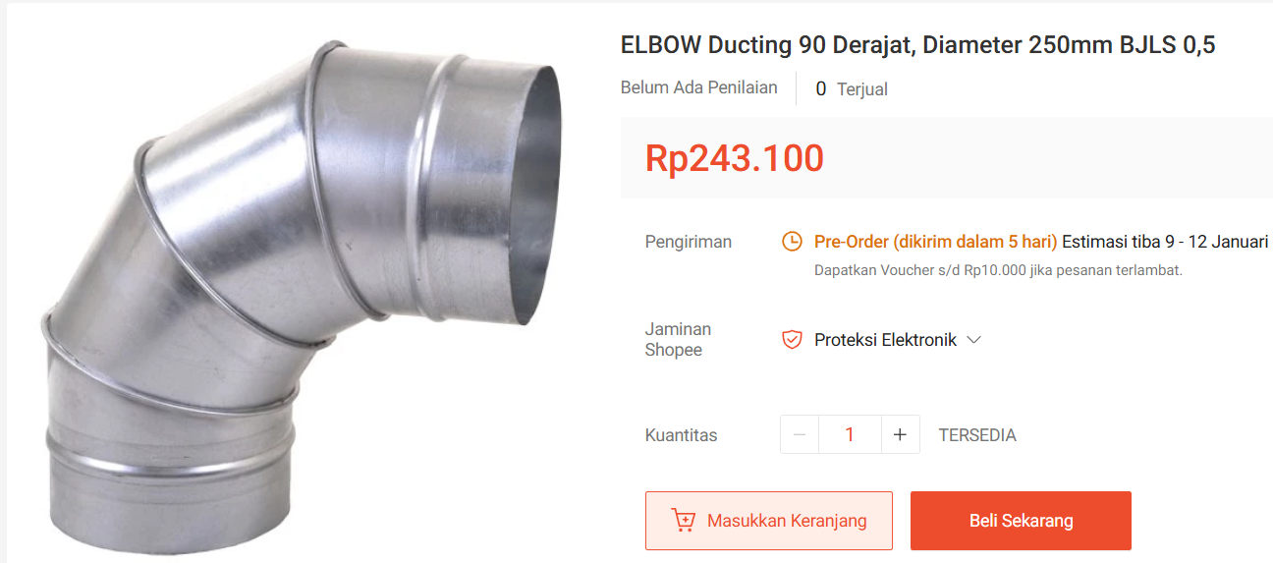
 |  | Total | Rp35,464,241.7 |  |  |  |  |  |  |  |  |  |  |  |  |  |  |  |  | = | Rp244,000.00 | per 1 unit
 |  |  |  |  |  |  |  |  |  |  |  |  |  |  |  |  |  |  |  | = | Rp976,000.00 | total
1. | Ducting 10 inch |  |  |  |  |  |  | 6. | Ducting 3 inch |  |  |  |  |  |  |  |  |  |  |  |  |  |  | 1. | Tee 10 inch
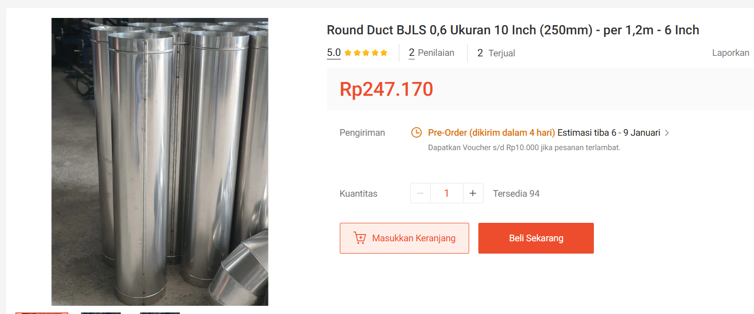
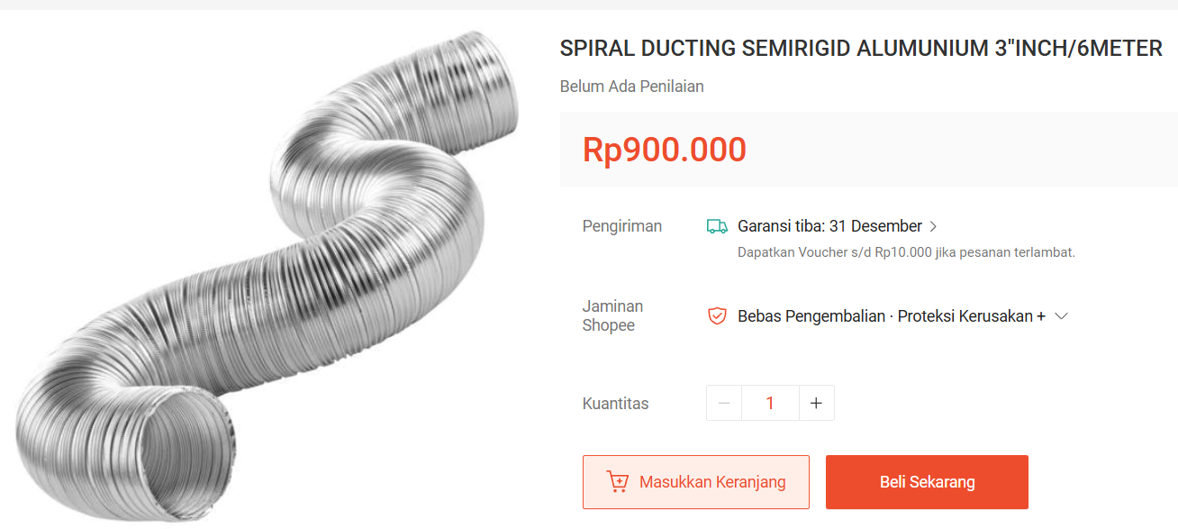
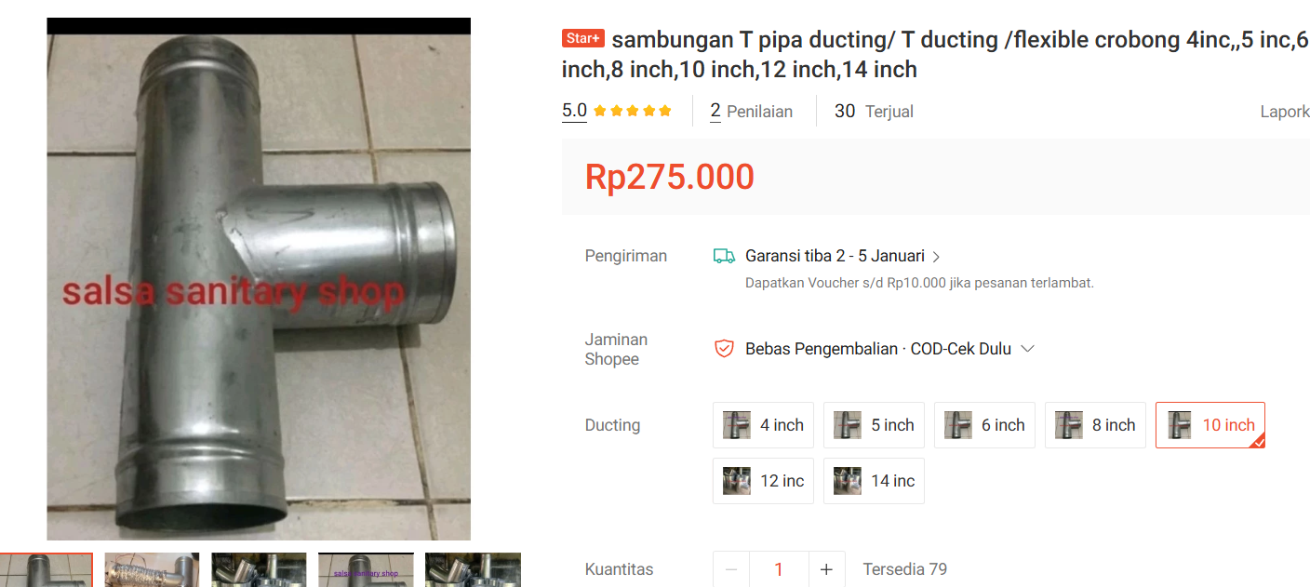
 |  |  |  | = | Rp250,000.00 | per 1,2 m |  |  |  |  |  |  | = | Rp900,000.00 | per 6 m |  |  |  |  |  |  |  |  |  |  |  |  | = | Rp275,000.00 | per 1 unit
 |  |  |  | = | Rp208,333.33 | per 1 m |  |  |  |  |  |  | = | Rp150,000.00 | per 1 m |  |  |  |  |  |  |  |  |  |  |  |  | = | Rp550,000.00 | total
 |  |  |  | = | Rp5,312,500.00 | total |  |  |  |  |  |  | = | Rp1,800,000.00 | total

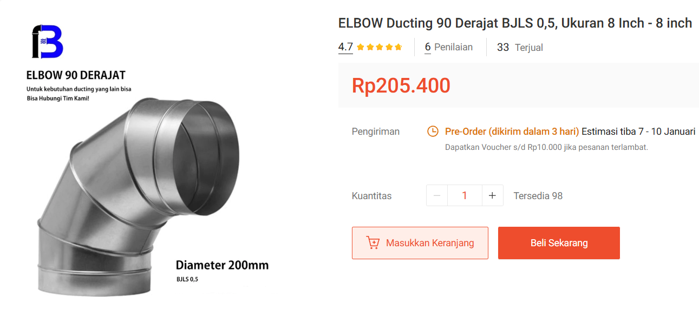
 |  |  |  |  |  |  |  |  |  |  |  |  |  |  |  | 2. | Elbow 8 inch
 |  |  |  |  |  |  |  |  |  |  |  |  |  |  |  |  |  |  |  | = | Rp206,000.00 | per 1 unit
 |  |  |  |  |  |  |  |  |  |  |  |  |  |  |  |  |  |  |  | = | Rp1,854,000.00 | total
2. | Ducting 8 inch |  |  |  |  |  |  | 7. | Ducting 2 1/2 inch |  |  |  |  |  |  |  |  |  |  |  |  |  |  | 2. | Tee 8 inch
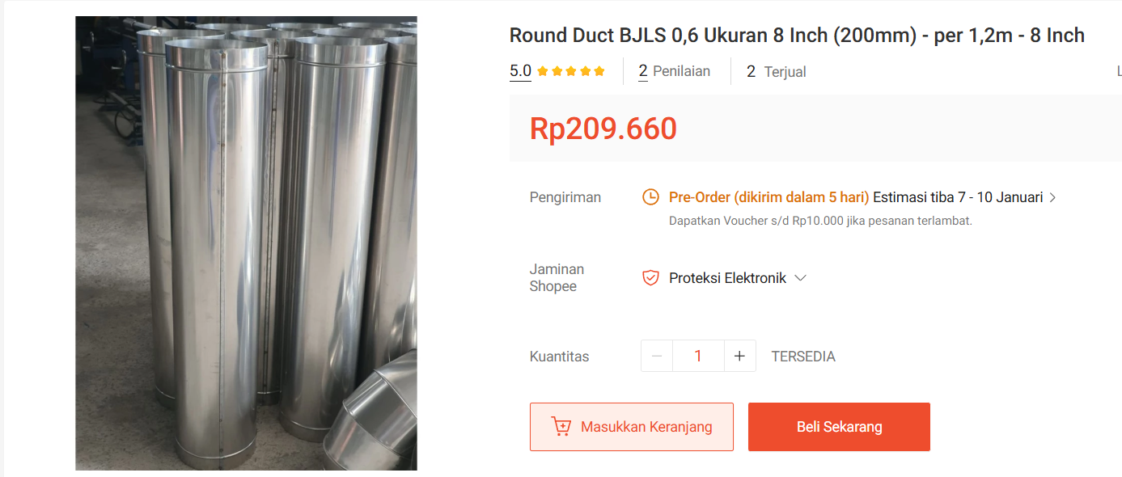
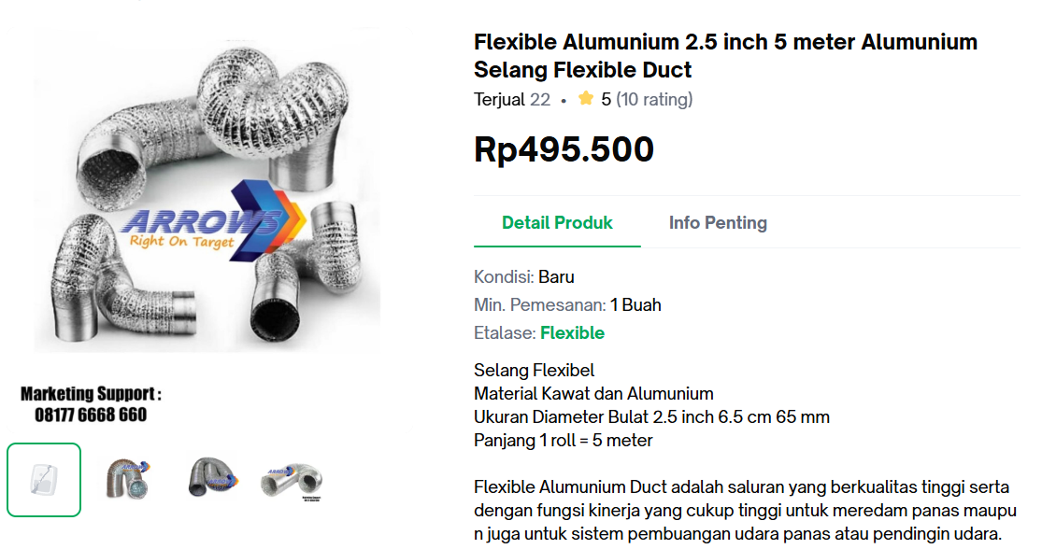
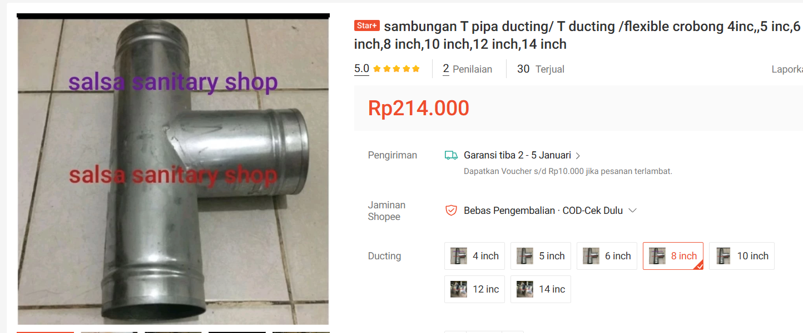
 |  |  |  | = | Rp210,000.00 | per 1,2 m |  |  |  |  |  |  | = | Rp496,000.00 | per 5 m |  |  |  |  |  |  |  |  |  |  |  |  | = | Rp214,000.00 | per 1 unit
 |  |  |  | = | Rp175,000.00 | per 1 m |  |  |  |  |  |  | = | Rp99,200.00 | per 1 m |  |  |  |  |  |  |  |  |  |  |  |  | = | Rp856,000.00 | total
 |  |  |  | = | Rp8,400,000.00 | total |  |  |  |  |  |  | = | Rp1,587,200.00 | Total

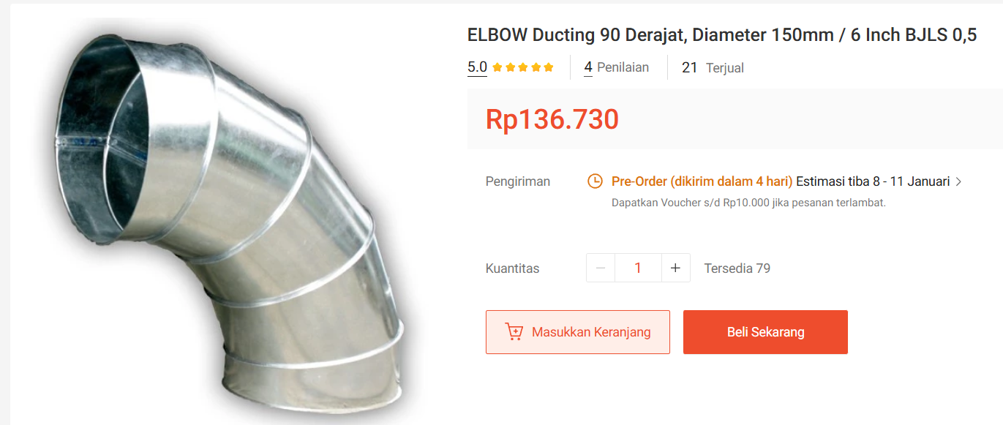
 |  |  |  |  |  |  |  |  |  |  |  |  |  |  |  | 3. | Elbow 6 inch
 |  |  |  |  |  |  |  |  |  |  |  |  |  |  |  |  |  |  |  | = | Rp137,000.00 | per 1 unit
 |  |  |  |  |  |  |  |  |  |  |  |  |  |  |  |  |  |  |  | = | Rp548,000.00 | total
3. | Ducting 6 inch |  |  |  |  |  |  |  |  |  |  |  |  |  |  |  |  |  |  |  |  |  |  | 3. | Tee 5 inch
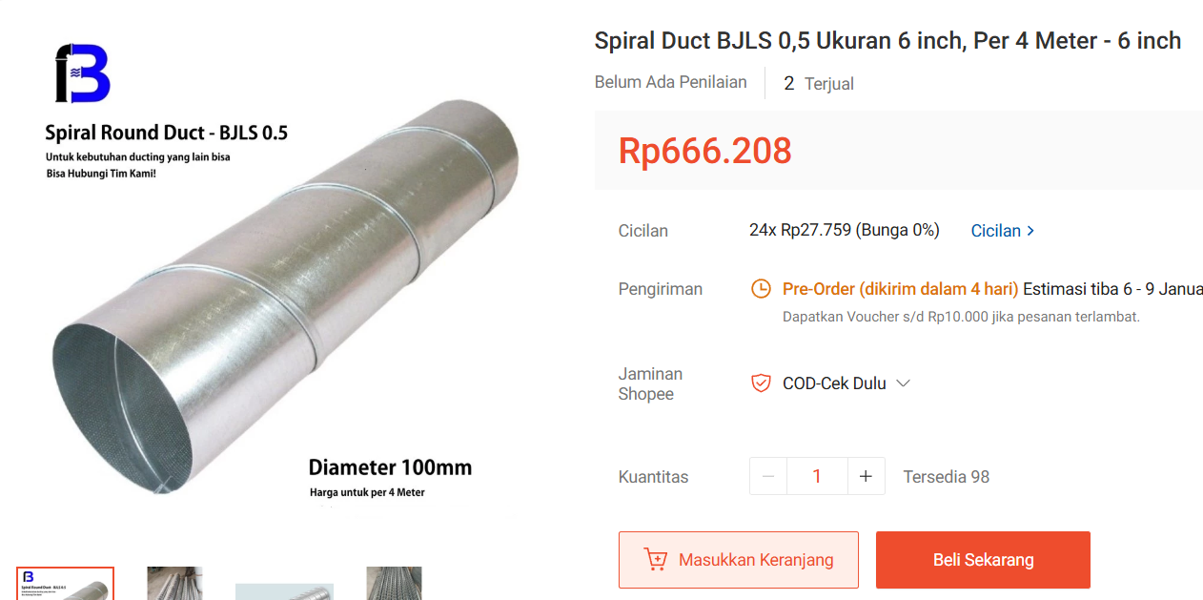
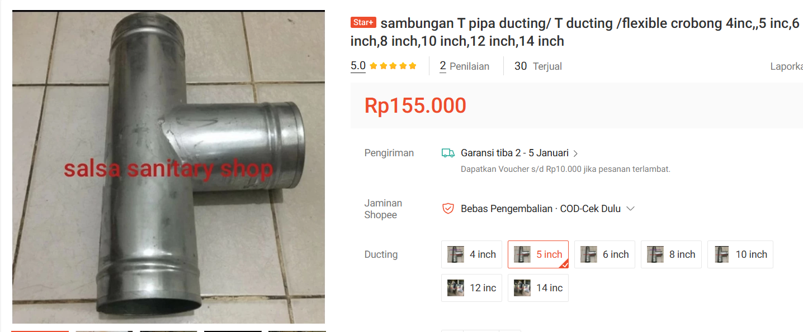
 |  |  |  | = | Rp667,000.00 | per 4 m |  | 8. | Ducting 2 inch |  |  |  |  |  |  |  |  |  |  |  |  |  |  |  |  |  |  | = | Rp155,000.00 | per 1 unit
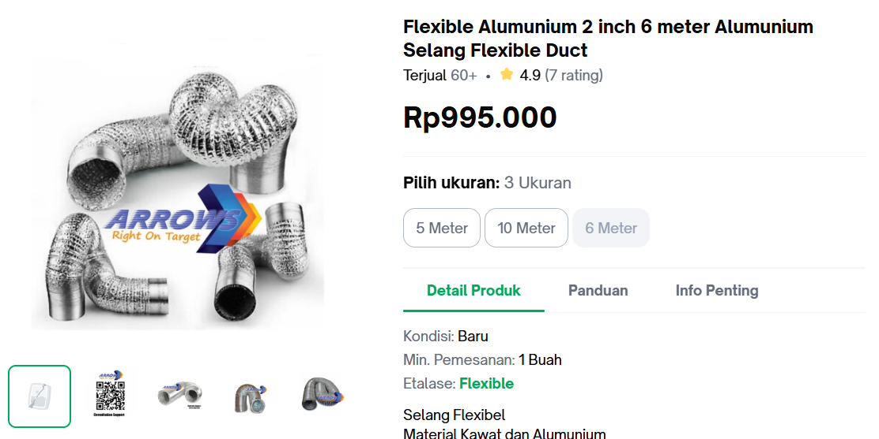
 |  |  |  | = | Rp166,750.00 | per 1 m |  |  |  |  |  |  | = | Rp995,000.00 | per 6 m |  |  |  |  |  |  |  |  |  |  |  |  | = | Rp465,000.00 | total
 |  |  |  | = | Rp6,586,625.00 | total |  |  |  |  |  |  | = | Rp165,833.33 | per 1 m
 |  |  |  |  |  |  |  |  |  |  |  |  | = | Rp331,666.67 | total

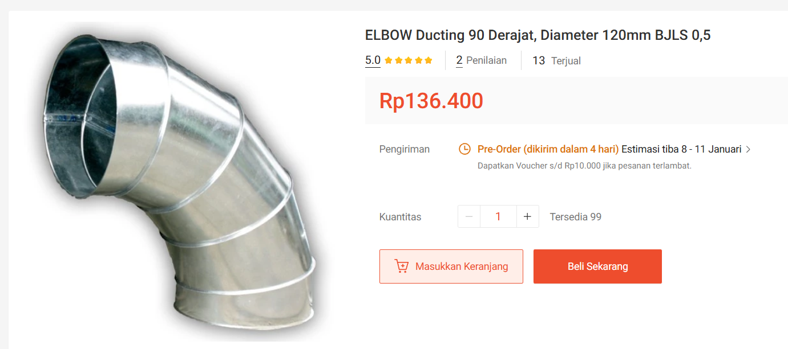
 |  |  |  |  |  |  |  |  |  |  |  |  |  |  |  | 4. | Elbow 5 inch
 |  |  |  |  |  |  |  |  |  |  |  |  |  |  |  |  |  |  |  | = | Rp137,000.00 | per 1 unit
 |  |  |  |  |  |  |  |  |  |  |  |  |  |  |  |  |  |  |  | = | Rp137,000.00 | total
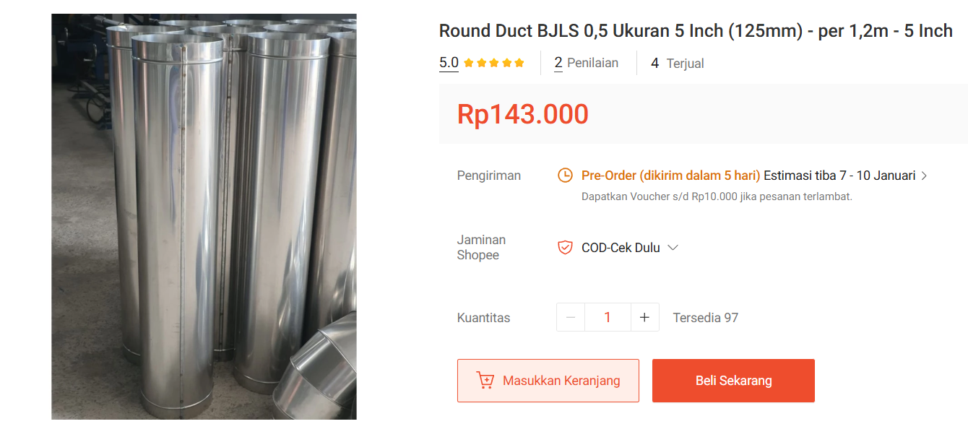
4. | Ducting 5 inch
 |  |  |  | = | Rp143,000.00 | per 1,2 m
 |  |  |  | = | Rp119,166.67 | per 1 m |  |  |  | DUCTING |  |  | ELBOW
 |  |  |  | = | Rp3,872,916.67 | total |  |  |  | Ducting (inch) | Panjang (m) | Harga | Ukuran (inch) | Junlah | Harga
 |  |  |  |  |  |  |  |  |  | 10 | 25.5 | Rp5,312,500.00 | 10 | 4 | Rp976,000.00
 |  |  |  |  |  |  |  |  |  | 8 | 48 | Rp8,400,000.00 | 8 | 9 | Rp1,854,000.00
 |  |  |  |  |  |  |  |  |  | 6 | 39.5 | Rp6,586,625.00 | 6 | 4 | Rp548,000.00
 |  |  |  |  |  |  |  |  |  | 5 | 32.5 | Rp3,872,916.67 | 5 | 1 | Rp137,000.00
 |  |  |  |  |  |  |  |  |  | 4 | 18.5 | Rp6,105,000.00 |  | Total | Rp3,515,000.00
 |  |  |  |  |  |  |  |  |  | 3 | 12 | Rp1,800,000.00
 |  |  |  |  |  |  |  |  |  | 2.5 | 16 | Rp1,800,000.00 | TEE
 |  |  |  |  |  |  |  |  |  | 2 | 2 | Rp1,587,200.00 | Ukuran (inch) | Junlah | Harga
 |  |  |  |  |  |  |  |  |  |  | Total | Rp35,464,241.67 | 10 | 2 | Rp550,000.00
 |  |  |  |  |  |  |  |  |  |  |  |  | 8 | 4 | Rp856,000.00
 |  |  |  |  |  |  |  |  |  | Total Ducting set = |  | Rp40,850,241.67 | 5 | 3 | Rp465,000.00
 |  |  |  |  |  |  |  |  |  |  |  |  |  | Total | Rp1,871,000.00

 | INSULATION
 | Ukuran (inch) | Pnjang (m) | Harga
 | 10 | 25.5 | Rp8,990,720.64
 | 8 | 48 | Rp15,032,613.12
 | 6 | 39.5 | Rp10,333,001.71
 | 5 | 32.5 | Rp8,089,495.05
 | 4 | 18.5 | Rp4,141,530.99
 | 3 | 12 | Rp2,478,057.36
 | 2.5 | 16 | Rp3,058,340.80
 | 2 | 2 | Rp382,292.60
 |  | Total | Rp52,506,052.27
1. | Insulation 10 inch

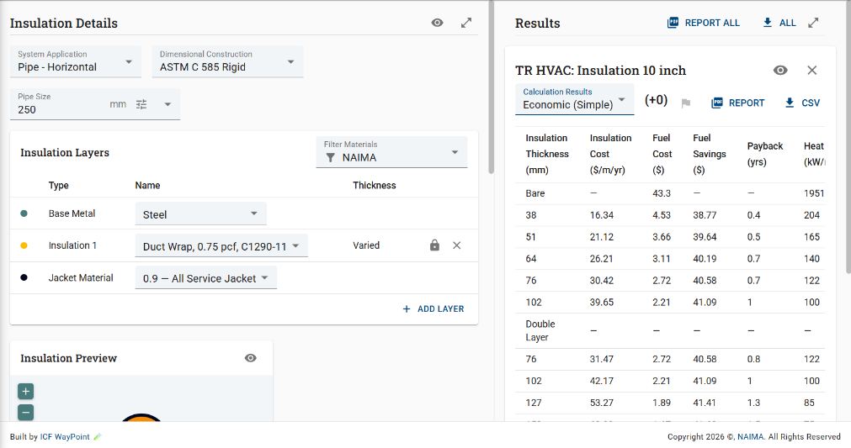
 |  |  |  |  |  | Terpilih 51 mm
 |  |  |  |  | = | $21.12 | per 1 m
 |  |  |  |  | = | Rp352,577.28 | per 1 m
 |  |  |  |  | = | Rp8,990,720.64 | total

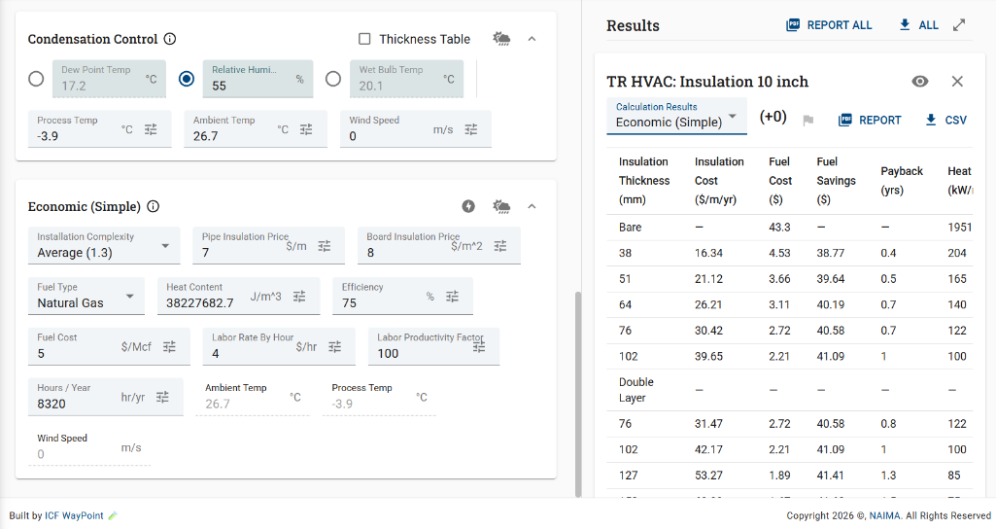

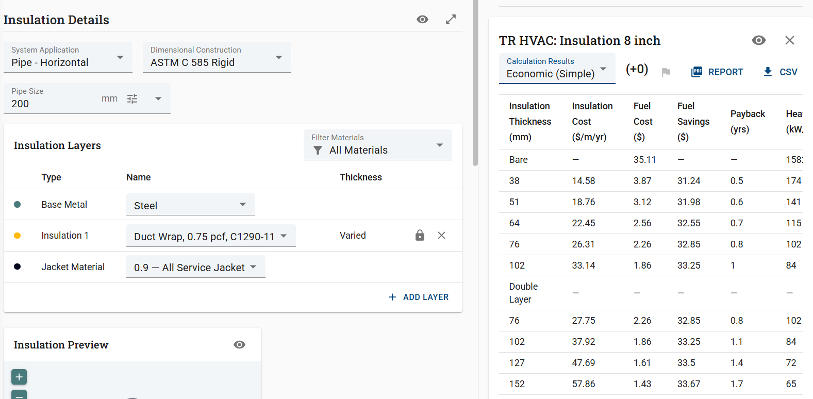
2. | Insulation 8 inch
 |  |  |  |  |  | Terpilih 51 mm
 |  |  |  |  | = | $18.76 | per 1 m
 |  |  |  |  | = | Rp313,179.44 | per 1 m
 |  |  |  |  | = | Rp15,032,613.12 | total

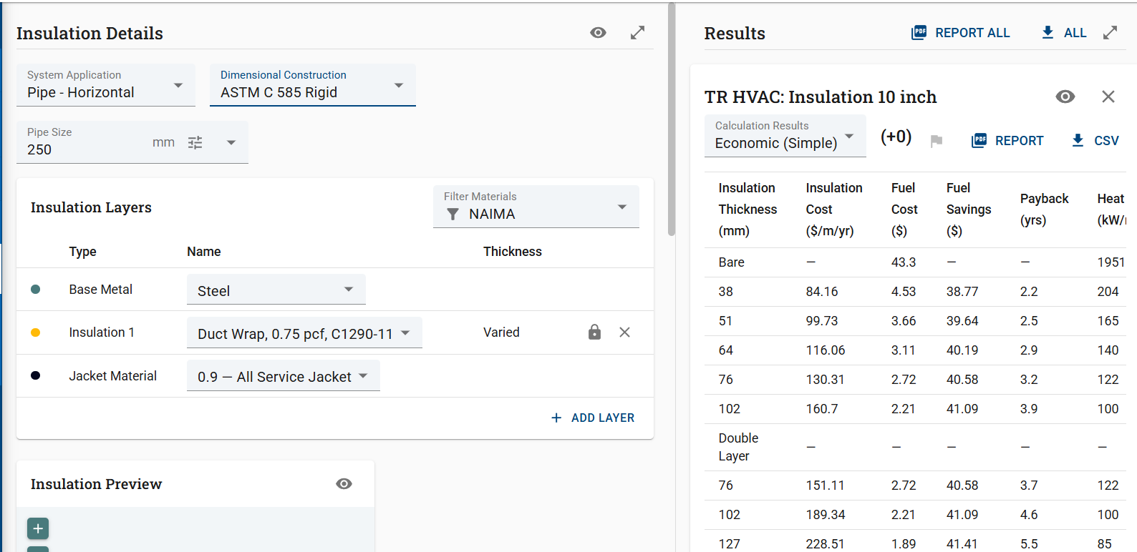
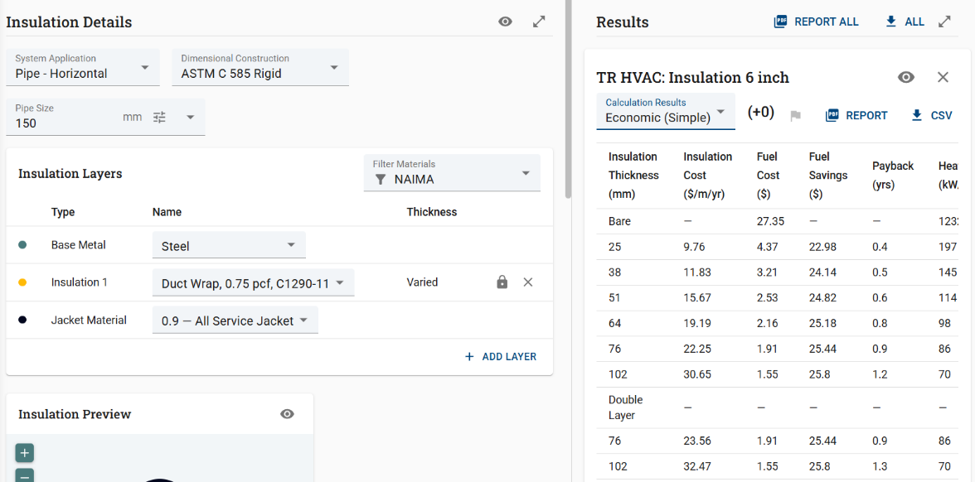
 |  |  |  |  |  |  |  |  |  |  |  |  |  |  |  |  |  |  |  |  |  |  |  | Terpilih 38 mm
3. | Insulation 6 inch |  |  |  |  |  |  |  |  |  |  |  |  |  |  |  |  |  |  |  |  |  | = | $84.16 | per 1 m
 |  |  |  |  |  | Terpilih 51 mm |  |  |  |  |  |  |  |  |  |  |  |  |  |  |  |  | = | Rp1,404,967.04 | per 1 m
 |  |  |  |  | = | $15.67 | per 1 m |  |  |  |  |  |  |  |  |  |  |  |  |  |  |  | = | Rp35,826,659.52 | total
 |  |  |  |  | = | Rp261,594.98 | per 1 m
 |  |  |  |  | = | Rp10,333,001.71 | total

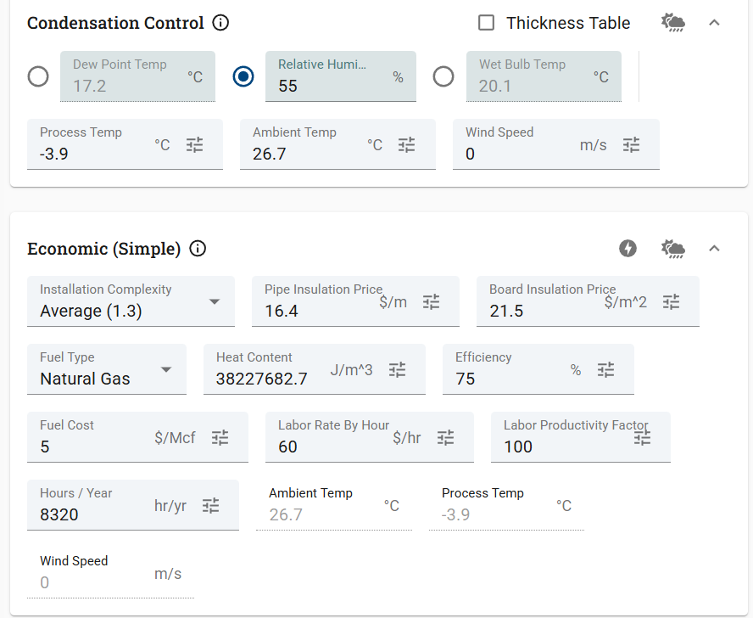

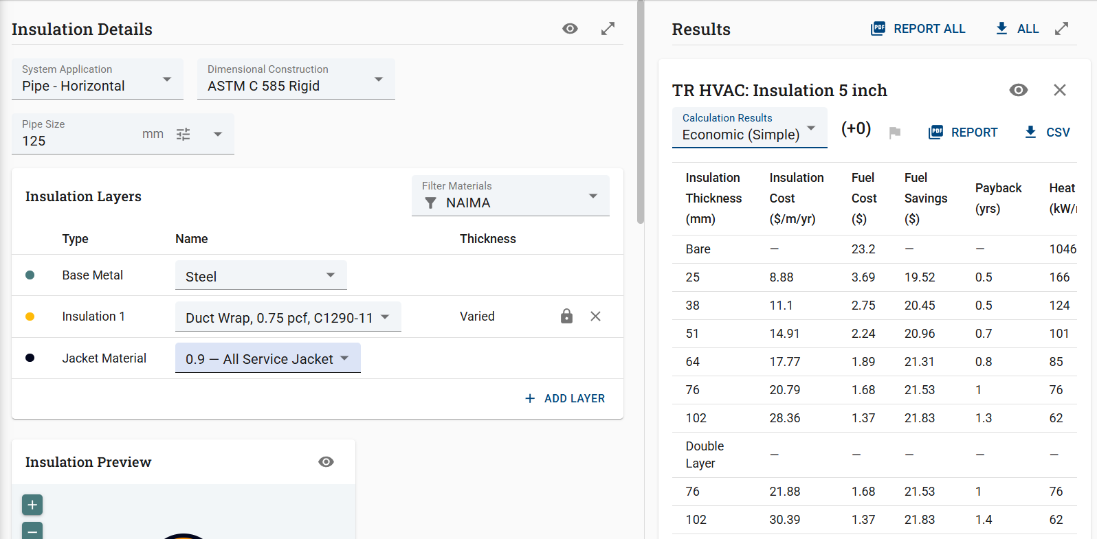
4. | Insul;ation 5 inch
 |  |  |  |  |  | Terpilih 51 mm
 |  |  |  |  | = | $14.91 | per 1 m
 |  |  |  |  | = | Rp248,907.54 | per 1 m
 |  |  |  |  | = | Rp8,089,495.05 | total

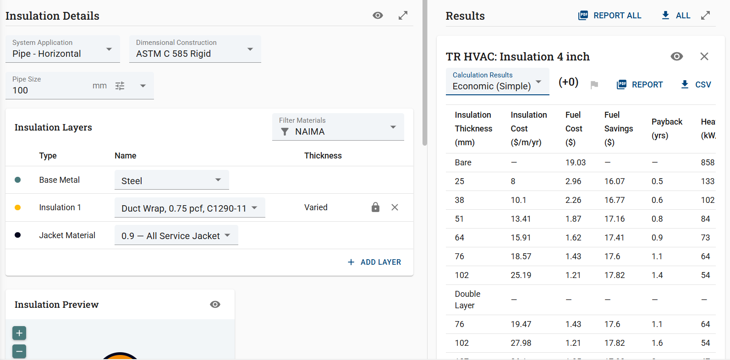
5. | insulation 4 inch
 |  |  |  |  |  | Terpilih 51 mm
 |  |  |  |  | = | $13.41 | per 1 m
 |  |  |  |  | = | Rp223,866.54 | per 1 m
 |  |  |  |  | = | Rp4,141,530.99 | total

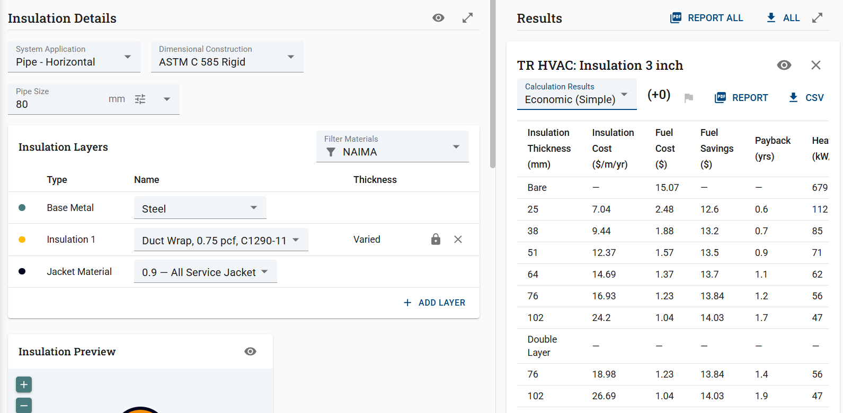
6. | Insulation 3 inch
 |  |  |  |  |  | Terpilih 51 mm
 |  |  |  |  | = | $12.37 | per 1 m
 |  |  |  |  | = | Rp206,504.78 | per 1 m
 |  |  |  |  | = | Rp2,478,057.36 | total

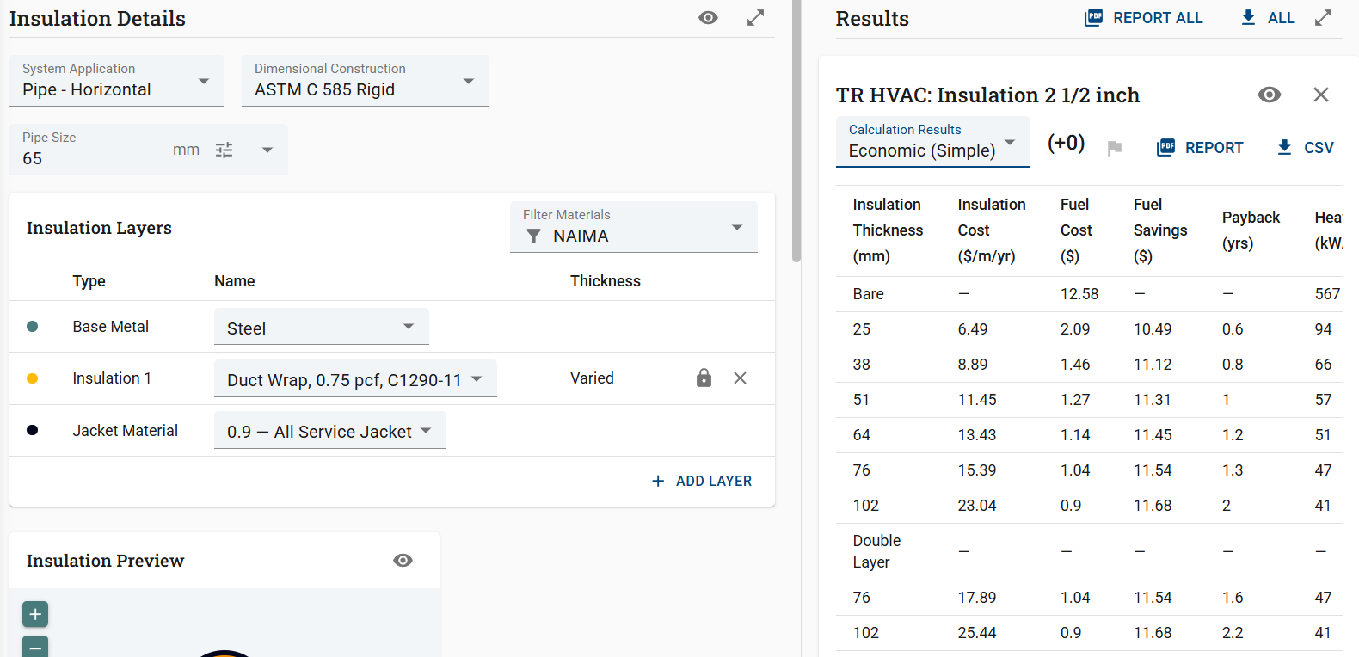
7. | Insulation 2 1/2 inch
 |  |  |  |  |  | Terpilih 51 mm
 |  |  |  |  | = | $11.45 | per 1 m
 |  |  |  |  | = | Rp191,146.30 | per 1 m
 |  |  |  |  | = | Rp3,058,340.80 | total


8. | Insulation 2 inch
 |  |  |  |  |  | Terpilih 51 mm
 |  |  |  |  | = | $11.45 | per 1 m
 |  |  |  |  | = | Rp191,146.30 | per 1 m
 |  |  |  |  | = | Rp382,292.60 | total

